Data set
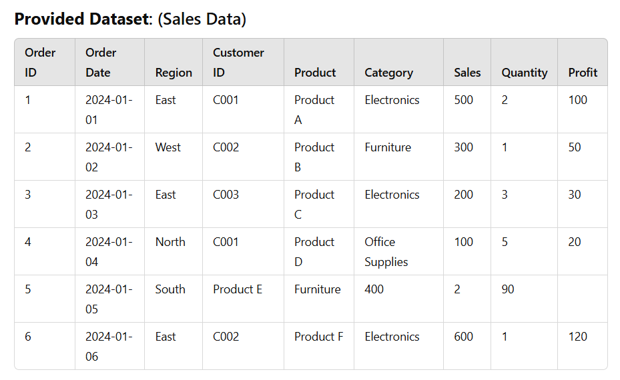

Charts
Total Sales
Bar Graph

Row Labels | Sum of Sales
East | 1300
North | 100
South | 400
West | 300
Grand Total | 2100

Pie Chart
Total sales
Row Labels | Sum of Sales
Electronics | 1300
Product A | 500
Product C | 200
Product F | 600
Furniture | 700
Product B | 300
Product E | 400
Office supplies | 100
Product D | 100
Grand Total | 2100

Line Chart
Total Sales
Row Labels | Sum of Sales
2024-01-01 | 500
2024-01-02 | 300
2024-01-03 | 200
2024-01-04 | 100
2024-01-05 | 400
2024-01-06 | 600
Grand Total | 2100

